Daily Average Speed Chart
Daily Average Speed
6/19/2013 | 19.8
11/5/2012 | 16.8
8/16/2012 | 16.5
9/22/2012 | 15.6
8/11/2012 | 15.5
10/5/2012 | 15.8
7/6/2012 | 15.1
8/13/2012 | 15.2
3/30/2013 | 10.5
8/3/2012 | 15.9
7/9/2012 | 16.9
9/10/2012 | 12.9
8/4/2013 | 15.0
8/17/2012 | 15.3
7/26/2012 | 12.7
6/30/2012 | 10.0
8/8/2012 | 18.3
7/14/2012 | 8.2
6/14/2012 | 12.6
4/26/2013 | 9.9
9/19/2012 | 10.2
7/3/2012 | 15.4
7/19/2012 | 17.4
8/14/2012 | 19.8
7/28/2013 | 15.9
8/10/2013 | 16.2
4/6/2013 | 15.2
7/4/2012 | 17.0
8/15/2013 | 15.8
7/23/2013 | 12.8
10/27/2012 | 12.8
8/4/2012 | 18.3
5/21/2013 | 13.6
9/12/2012 | 17.4
9/1/2012 | 10.9
7/8/2013 | 9.0
6/9/2012 | 8.9
7/27/2012 | 16.0
11/9/2012 | 17.9
7/1/2012 | 15.4
6/10/2012 | 11.5
10/4/2012 | 12.8
4/10/2013 | 11.9
7/25/2012 | 14.8
1/18/2013 | 17.2
8/7/2012 | 14.7
8/6/2012 | 17.6
9/14/2012 | 12.5
8/10/2012 | 15.8
8/9/2012 | 17.8
...

Daily Distance Chart
Daily Distance
6/19/2013 | 43.4
11/5/2012 | 41.5
8/16/2012 | 40.5
9/22/2012 | 38.3
8/11/2012 | 36.8
10/5/2012 | 36.4
7/6/2012 | 36.1
8/13/2012 | 34.8
3/30/2013 | 34.0
8/3/2012 | 33.5
7/9/2012 | 31.9
9/10/2012 | 30.8
8/4/2013 | 30.3
8/17/2012 | 30.0
7/26/2012 | 29.8
6/30/2012 | 29.0
8/8/2012 | 28.9
7/14/2012 | 28.9
6/14/2012 | 28.5
4/26/2013 | 27.8
9/19/2012 | 27.6
7/3/2012 | 27.4
7/19/2012 | 27.4
8/14/2012 | 27.2
7/28/2013 | 26.9
8/10/2013 | 26.9
4/6/2013 | 26.8
7/4/2012 | 26.4
8/15/2013 | 26.3
7/23/2013 | 25.6
10/27/2012 | 24.2
8/4/2012 | 24.1
5/21/2013 | 24.0
9/12/2012 | 23.5
9/1/2012 | 23.3
7/8/2013 | 23.2
6/9/2012 | 23.0
7/27/2012 | 22.7
11/9/2012 | 22.6
7/1/2012 | 22.4
6/10/2012 | 22.1
10/4/2012 | 21.8
4/10/2013 | 21.7
7/25/2012 | 21.7
1/18/2013 | 21.4
8/7/2012 | 21.4
8/6/2012 | 21.1
9/14/2012 | 21.1
8/10/2012 | 21.1
8/9/2012 | 21.1
...

Time Spent Pedalling
Time Spent Pedalling Everyday
6/19/2013 | 160
11/5/2012 | 153
8/16/2012 | 148
9/22/2012 | 147
8/11/2012 | 143
10/5/2012 | 138
7/6/2012 | 147
8/13/2012 | 138
3/30/2013 | 195
8/3/2012 | 126
7/9/2012 | 113
9/10/2012 | 143
8/4/2013 | 139
8/17/2012 | 118
7/26/2012 | 141
6/30/2012 | 174
8/8/2012 | 95
7/14/2012 | 211
6/14/2012 | 136
4/26/2013 | 169
9/19/2012 | 162
7/3/2012 | 109
7/19/2012 | 95
8/14/2012 | 82
7/28/2013 | 103
8/10/2013 | 110
4/6/2013 | 105
7/4/2012 | 93
8/15/2013 | 108
7/23/2013 | 144
10/27/2012 | 113
8/4/2012 | 79
5/21/2013 | 106
9/12/2012 | 81
9/1/2012 | 128
7/8/2013 | 121
6/9/2012 | 154
7/27/2012 | 85
11/9/2012 | 76
7/1/2012 | 87
6/10/2012 | 116
10/4/2012 | 102
4/10/2013 | 109
7/25/2012 | 88
1/18/2013 | 75
8/7/2012 | 88
8/6/2012 | 72
9/14/2012 | 101
8/10/2012 | 80
8/9/2012 | 71
...

Time and Distance
 | Workout Time in Minutes
43.4 | 160
41.5 | 153
40.5 | 148
38.3 | 147
36.8 | 143
36.4 | 138
36.1 | 147
34.8 | 138
34.0 | 195
33.5 | 126
31.9 | 113
30.8 | 143
30.3 | 139
30.0 | 118
29.8 | 141
29.0 | 174
28.9 | 95
28.9 | 211
28.5 | 136
27.8 | 169
27.6 | 162
27.4 | 109
27.4 | 95
27.2 | 82
26.9 | 103
26.9 | 110
26.8 | 105
26.4 | 93
26.3 | 108
25.6 | 144
24.2 | 113
24.1 | 79
24.0 | 106
23.5 | 81
23.3 | 128
23.2 | 121
23.0 | 154
22.7 | 85
22.6 | 76
22.4 | 87
22.1 | 116
21.8 | 102
21.7 | 109
21.7 | 88
21.4 | 75
21.4 | 88
21.1 | 72
21.1 | 101
21.1 | 80
21.1 | 71
...

Calories Burned and Time
 | Workout Time in Minutes
3,356 | 160
2,593 | 153
1,551 | 148
2,247 | 147
1,498 | 143
2,199 | 138
1,544 | 147
1,447 | 138
1,719 | 195
1,326 | 126
1,192 | 113
1,836 | 143
1,695 | 139
1,236 | 118
1,478 | 141
1,823 | 174
992 | 95
2,217 | 211
1,423 | 136
1,872 | 169
1,606 | 162
1,143 | 109
993 | 95
868 | 82
1,532 | 103
1,550 | 110
1,545 | 105
979 | 93
1,521 | 108
1,388 | 144
1,379 | 113
827 | 79
1,355 | 106
1,475 | 81
1,340 | 128
1,711 | 121
1,614 | 154
892 | 85
1,307 | 76
915 | 87
1,212 | 116
1,087 | 102
1,341 | 109
915 | 88
1,335 | 75
918 | 88
754 | 72
1,193 | 101
838 | 80
818 | 71
...

Calories Burned and Distance
 | Distance in Miles
3,356 | 43.4
2,593 | 41.5
1,551 | 40.5
2,247 | 38.3
1,498 | 36.8
2,199 | 36.4
1,544 | 36.1
1,447 | 34.8
1,719 | 34.0
1,326 | 33.5
1,192 | 31.9
1,836 | 30.8
1,695 | 30.3
1,236 | 30.0
1,478 | 29.8
1,823 | 29.0
992 | 28.9
2,217 | 28.9
1,423 | 28.5
1,872 | 27.8
1,606 | 27.6
1,143 | 27.4
993 | 27.4
868 | 27.2
1,532 | 26.9
1,550 | 26.9
1,545 | 26.8
979 | 26.4
1,521 | 26.3
1,388 | 25.6
1,379 | 24.2
827 | 24.1
1,355 | 24.0
1,475 | 23.5
1,340 | 23.3
1,711 | 23.2
1,614 | 23.0
892 | 22.7
1,307 | 22.6
915 | 22.4
1,212 | 22.1
1,087 | 21.8
1,341 | 21.7
915 | 21.7
1,335 | 21.4
918 | 21.4
754 | 21.1
1,193 | 21.1
838 | 21.1
818 | 21.1
...

Wishlist
Finance |  | Bike | Focus Mares Ax 2.0 | Cannondale CAADX | Specialized CruX Comp | Felt F2X
Bike | Price | Price | $1,680.00 | $2,200.00 | $3,000.00 | $5,170.00
Cannondale CAADX | $2,200.00 |  | 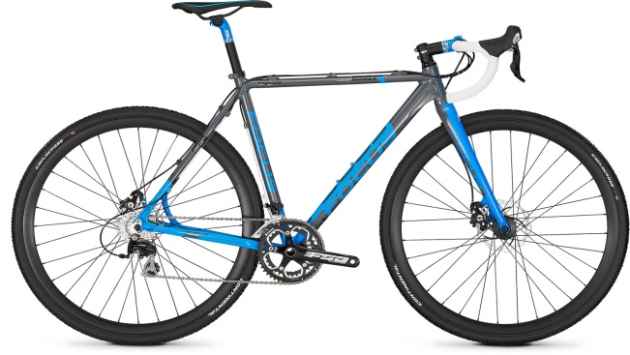 | 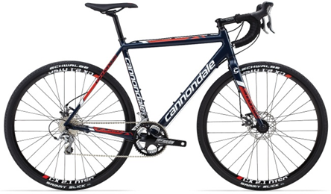 | 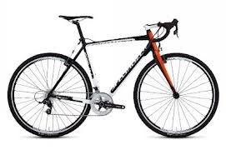 | 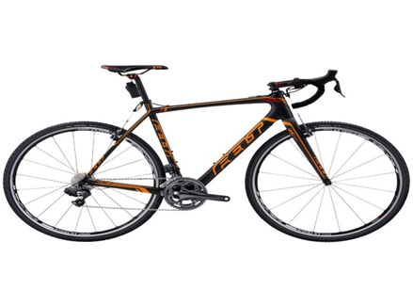
Interest Rate | 5%
Number of Payments | 12
Monthly Payment | $248.22

Save
Bike | Price
Cannondale CAADX | $2,200.00
Savings Interest Rate | 10%
Monthly Savings | $500.00
Months Until I Can Get It | 4

